NJOVERFD
 | NJ Overnight Fund
 | (An open ended debt scheme investing in overnight securities with a relatively low interest rate risk and relatively low credit risk )

 | Fortnightly Portfolio Statement as on December 31, 2022
 | Name of the Instrument | ISIN | Industry / Rating | Quantity | Market/Fair Value (Rs. in Lakhs) | % to Net Assets | YTM~ | YTC^
 | Reverse Repo / TREPS
TRP_160922 | Clearing Corporation of India Ltd |  |  |  | 3,124.44 | 99.00% | 6.50%
 | Sub Total |  |  |  | 3,124.44 | 99.00%
 | Total |  |  |  | 3,124.44 | 99.00%
 | Net Receivables / (Payables) |  |  |  | 31.72 | 1.00%
 | GRAND TOTAL |  |  |  | 3,156.16 | 100.00%

 | ~ YTM as on December 31, 2022
 | ^ Pursuant to AMFI circular no. 135/BP/91/2020-21, Yield to Call (YTC) for AT-1 bonds and Tier-2 bonds as on December 31, 2022.
 | $$ NAV has been considered as on December 30,2022 since December 31,2022 being a non bussiness day.

 |  | Portfolio Information
 | Scheme Name : | NJ Overnight Fund
 | Description (if any) | An open ended debt scheme investing in overnight securities with a relatively low interest rate risk and relatively low credit risk

 | Annualised Portfolio YTM* : | 6.50%

 | Macaulay Duration | 02 Day
 | Residual Maturity | 02 Day

 | As on (Date) | 2022-12-31
 | * in case of semi annual YTM, it will be annualised

 | Notes:
 | 1. Security in default beyond its maturiy date | NIL
 | 2. NAV at the beginning and end of the period (Rs. per unit)
 |  | As on 16th December 2022 | As on 30th December 2022 $$
 | NJ Overnight Fund - Regular Growth | 1020.8439 | 1023.2576
 | NJ Overnight Fund - Direct Growth | 1021.2293 | 1023.6795

 | 3. Total Dividend (Net) declared during the period | NA
 | 4. Bonus was declared during the period | NA
 | 5. Investment in Repo of Corporate Debt Securities during the period | NIL
 | 6. Investment in foreign securities/ADRs/GDRs at the end of the period | NIL
 | 7. Margin Deposits includes Margin money placed on derivatives other than margin money placed with bank | NA
 | 8. Total value and percentage of Illiquid Equity shares | NA
 | 9. Average Maturity for the debt securities held (as on December 31, 2022) | 2 Day
 | 10. Instances of fair valuation of Securities or Deviation in valuation from what is provided by valuation agencies | NIL

 | NJ Overnight Fund
 | This product is suitable for investors who are seeking*:
 | An overnight fund that aims to generate optimal returns in line with overnight rates and high liquidity To invest in debt and money market instruments with maturity of 1 day *Investors should consult their financial advisors if in doubt about whether the product is suitable for them. | 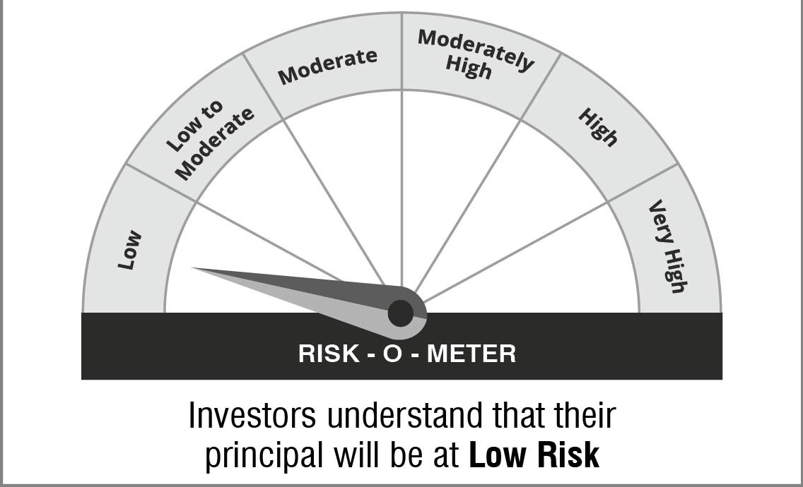

 | Name of the Benchmark and its risk-o-meter:
 | NIFTY 1D Rate Index

 | 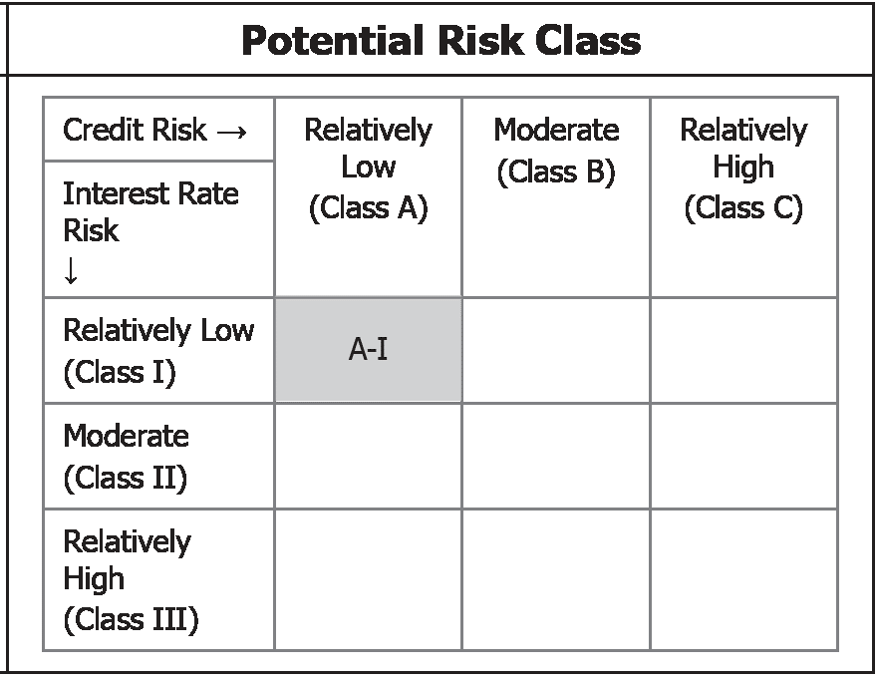 | A Relatively Low Interest Rate Risk and Relatively Low Credit Risk

